Sheet1
DIRECTIONS: After filling out your name and student ID number, fill out the rest of the worksheet while looking at your field logs. You need at least one example of each field experience/placement type. Put an x next to the field experience type and placement type as you find it in your field logs. Then, enter in all the hours from your field logs in the bottom area (per experience or per log) to ensure you have the minimum 200 hours necessary to enter into student teaching.
Remember: For admission into student teaching, you must have a total of 200 hours, an Elementary, Middle, and High School Placement, and evidence of every field experience type (including an SBDM meeting and a School Board meeting).
 | Field Log Checklist and Calculator
Student Name:
Student ID:

Field Experience Type* |  | Placement Types*
 | B |  | Elementary
 | C |  | Middle
EXAMPLE
 | D |  | High
 | E- SBDM
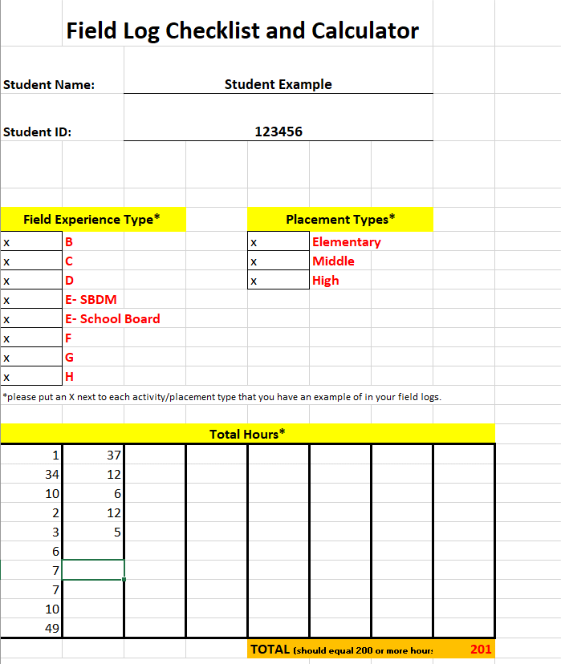
 | E- School Board
 | F
 | G
 | H
*please put an X next to each activity/placement type that you have an example of in your field logs.

Total Hours*

 |  | TOTAL (should equal 200 or more hours) |  | 0
* You may enter your hours per experience type OR per log

